12.1
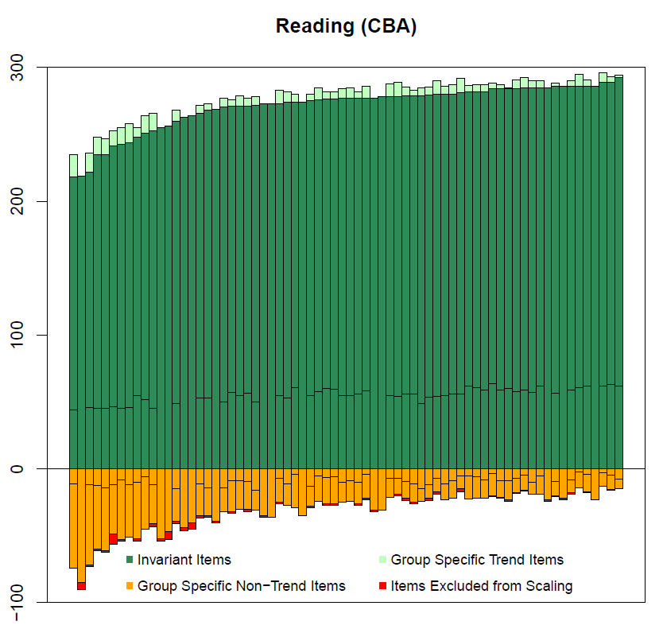
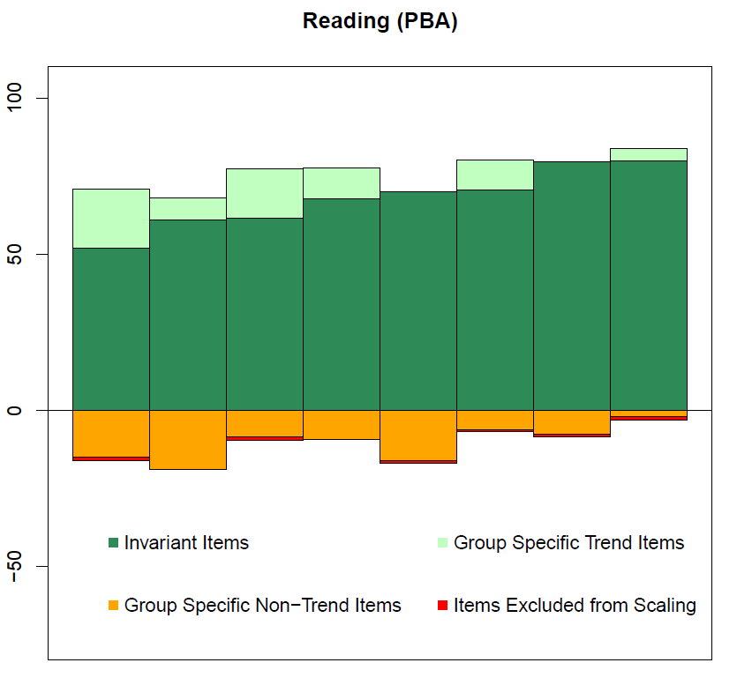
Figure 12.1 Frequency of invariant, variant, and dropped items for reading, by country/economy

12.2
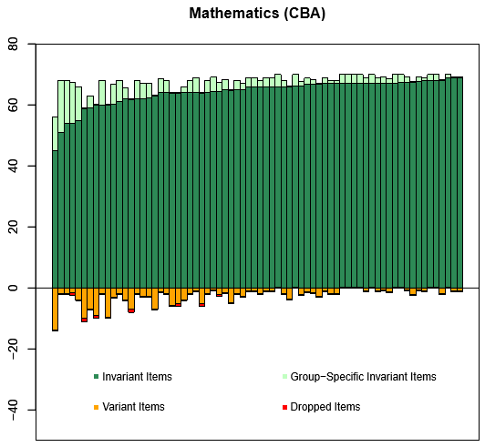
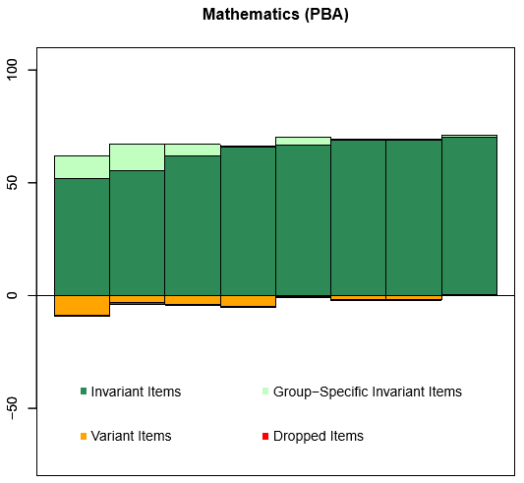
Figure 12.2 Frequency of invariant, variant, and dropped items for mathematics, by country/economy

12.3
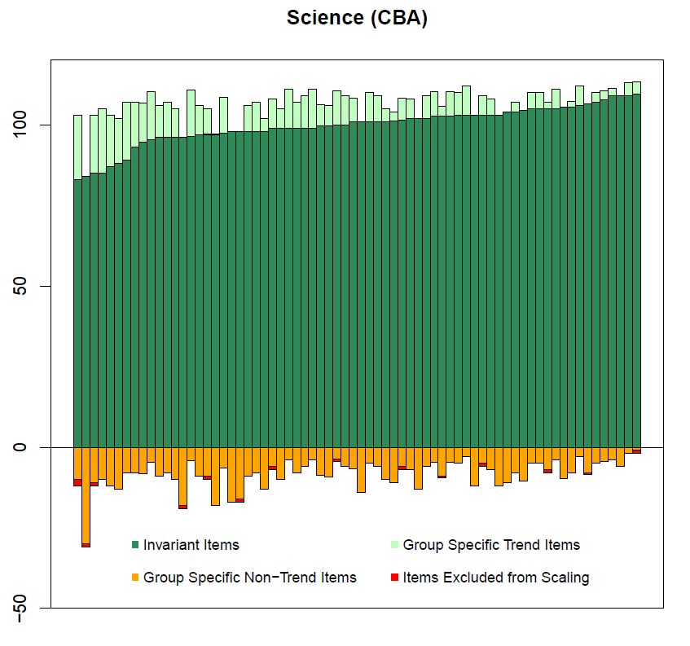
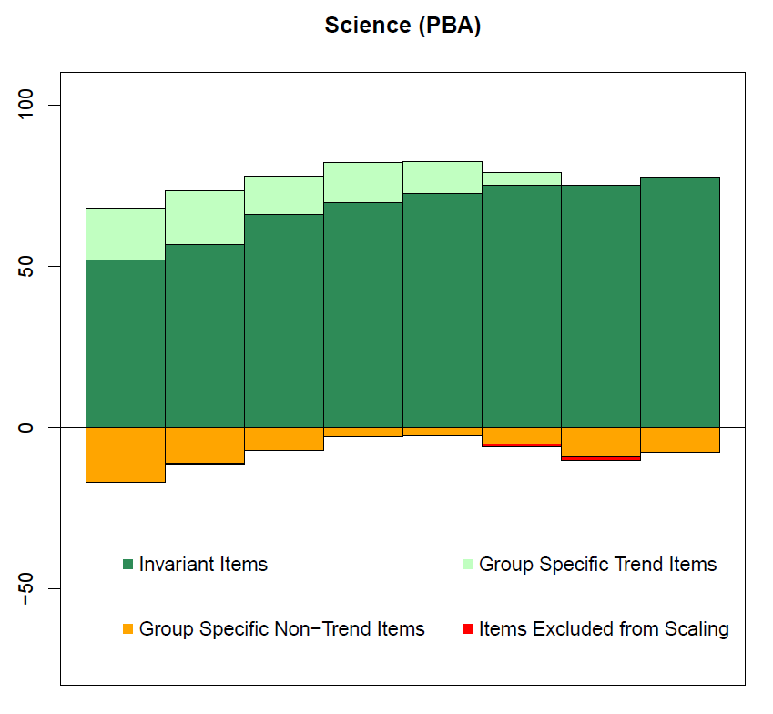
Figure 12.3 Frequency of invariant, variant, and dropped items for science, by country/economy

12.4
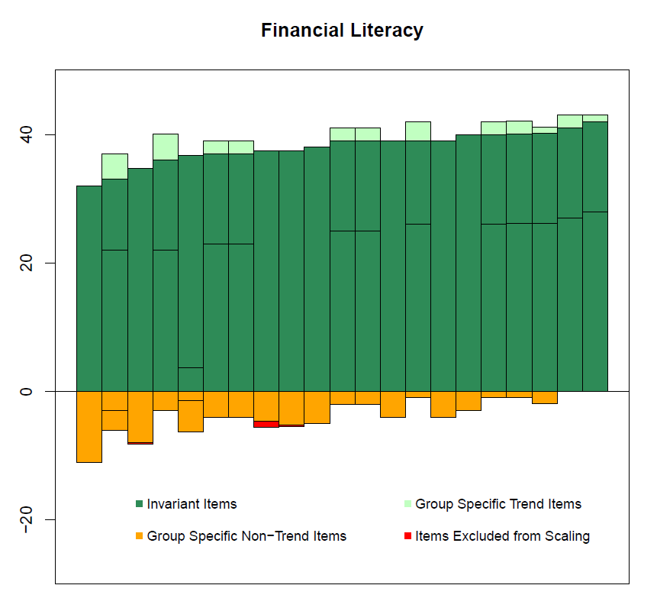
Figure 12.4 Frequency of invariant, variant, and dropped items for financial literacy, by country/economy

12.6
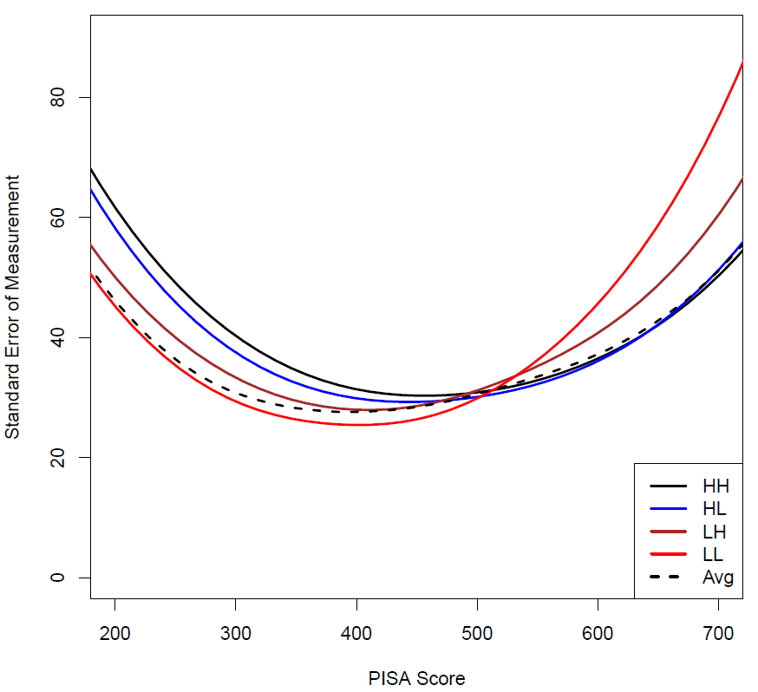
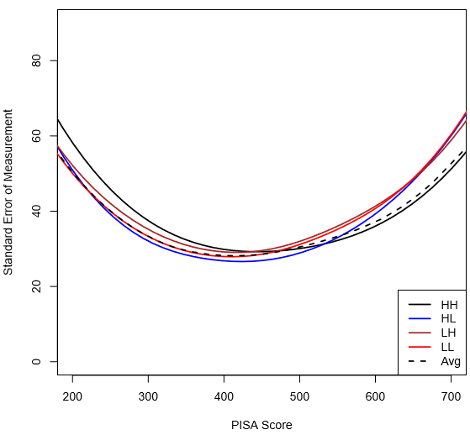
Figure 12.6 Reading MSAT conditional standard error of measurement by form (HH, HL, LH, LL) and in weighted average across the actual assigned forms for MSAT Designs A and B

12.7
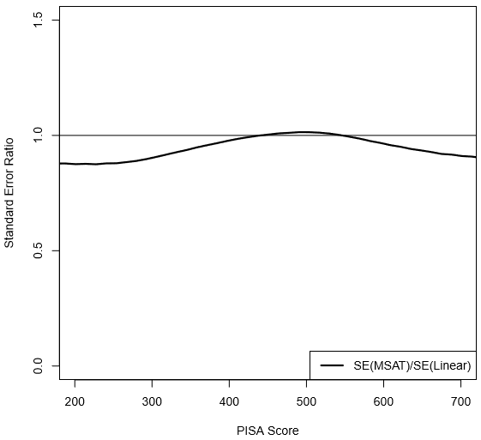
Figure 12.7 Ratio of the standard errors of measurement for the reading MSAT design (A and B combined) to the standard errors of measurement for a corresponding non-adaptive CBA design

12.8
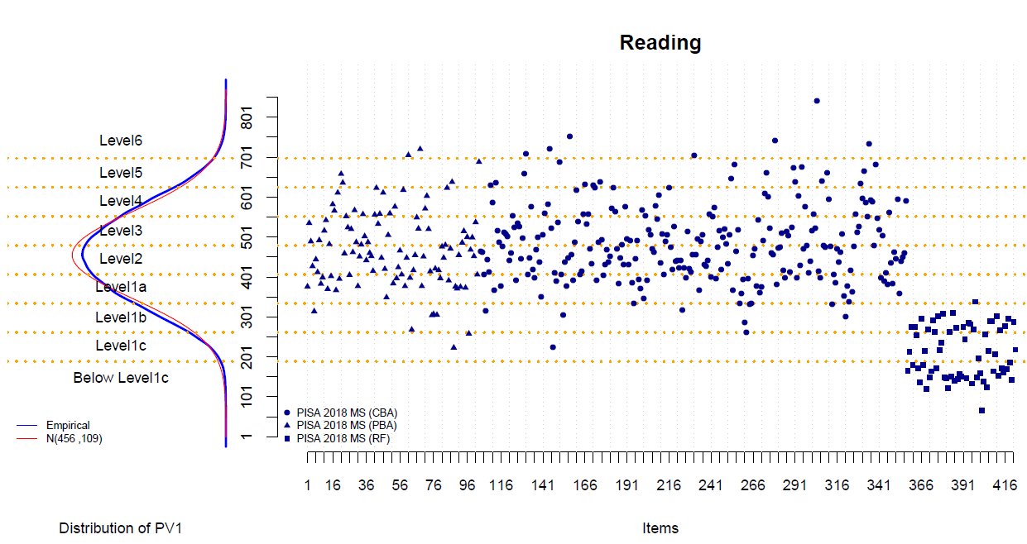
Figure 12.8 Distribution of the first plausible values and item RP62 values in reading

12.9
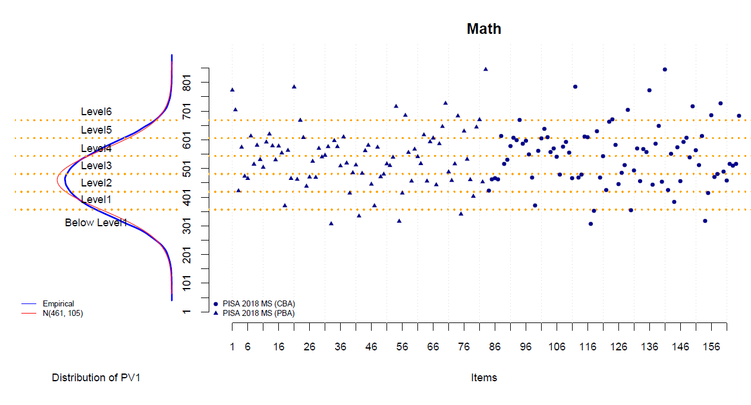
Figure 12.9 Distribution of the first plausible values and item RP62 values in mathematics

12.10
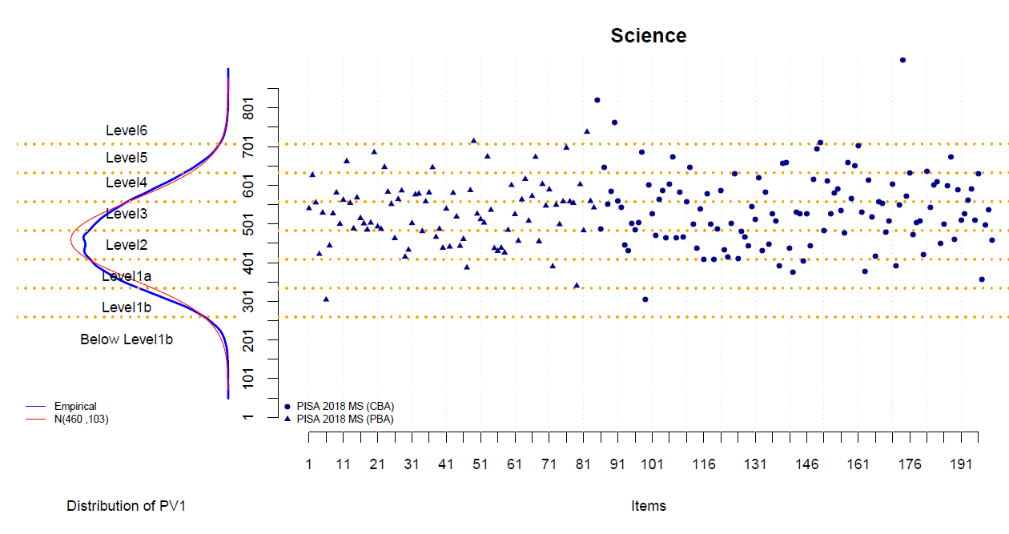
Figure 12.10 Distribution of the first plausible values and item RP62 values in science

12.11
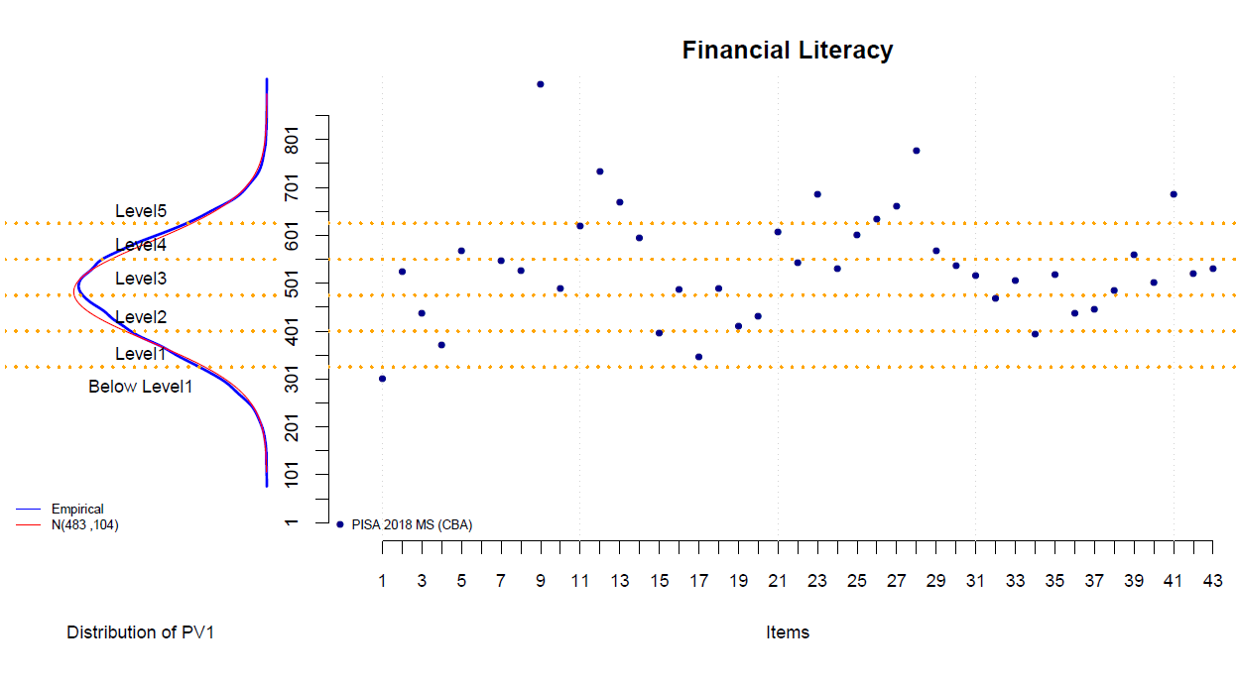
Figure 12.11 Distribution of the first plausible values and item RP62 values in financial literacy

12.13
Figure 12.13 Percentage of students in each country/economy at each proficiency level for reading

2018 PISA Main Survey: ReadingAverage Scores & Achievement-level Percentages
 | Level 1a | Level 1b | Level 1c | Below Level 1c | Level 2 | Level 3 | Level 4 | Level 5 | Level 6
Philippines 340 | -26.74398218 | -38.26375871 | -15.083435287 | -0.53153447122 | 13.129927474 | 5.0947113256 | 1.1000540762 | 0.051069514245 | 0.0015269621876
Dominican Republic 342 | -28.753388147 | -33.268289324 | -15.922489135 | -1.115243033 | 15.027120475 | 4.9204038679 | 0.89647944782 | 0.095188449605 | 0.0013981204681
Kosovo 353 | -37.99260302 | -31.733377522 | -8.7191720075 | -0.30115204238 | 17.464145944 | 3.569430028 | 0.21919685844 | 0.00092257836778 | 0
Lebanon 353 | -21.635719446 | -22.97773505 | -16.906039028 | -6.2500172592 | 17.385083698 | 10.465044338 | 3.6694326611 | 0.67495569311 | 0.035972826605
Morocco 359 | -33.393102466 | -30.763013332 | -8.8452082261 | -0.30826618697 | 20.603646117 | 5.5698143269 | 0.51052283698 | 0.0064265078991 | 0
Indonesia 371 | -36.738715956 | -26.666787626 | -6.2940846238 | -0.20867619251 | 21.77073942 | 7.1697356905 | 1.0901342363 | 0.060478569692 | 0.00064768551794
Panama 377 | -31.52665637 | -23.377584045 | -8.4319406661 | -0.9741452052 | 22.992638501 | 9.9098384372 | 2.5755683395 | 0.20825589363 | 0.0033725423781
Georgia 380 | -32.793936491 | -24.241743955 | -6.9764997119 | -0.36408637562 | 22.890748004 | 10.134656739 | 2.3626795638 | 0.22661040093 | 0.0090387581193
Kazakhstan 387 | -38.379384477 | -22.225573611 | -3.5046857499 | -0.080061169726 | 23.920961105 | 8.9387275941 | 2.5579808967 | 0.36717405763 | 0.025451339039
Baku (Azerbaijan) 389 | -36.992697515 | -19.583595717 | -3.7235291509 | -0.14867136077 | 28.562176621 | 9.2257941315 | 1.622076574 | 0.13098773897 | 0.010471191657
North Macedonia 393 | -27.942879813 | -18.263315441 | -7.3348310689 | -1.5955225143 | 26.556737596 | 14.442712817 | 3.5156819275 | 0.33405658556 | 0.014262235652
Thailand 393 | -35.279774966 | -20.585407417 | -3.5982424311 | -0.081328610018 | 25.965235364 | 11.588052104 | 2.7175183264 | 0.18387238262 | 0.00056839805594
Saudi Arabia 399 | -29.439182584 | -17.045488207 | -5.3278619213 | -0.5428101983 | 30.352602263 | 14.575052837 | 2.6040909952 | 0.11291099384 | 0
Peru 401 | -28.876705919 | -19.584596912 | -5.4945629827 | -0.3536325045 | 25.807235752 | 14.290384329 | 4.8113978468 | 0.74773560092 | 0.033748152535
Argentina 402 | -26.691044778 | -17.391392286 | -6.6869776079 | -1.3469386917 | 25.663911624 | 16.184980865 | 5.3306229652 | 0.67778179644 | 0.02634938594
Bosnia and Herzegovina 403 | -33.211000491 | -17.542494756 | -2.7985121218 | -0.12306037012 | 28.815048147 | 14.304813433 | 2.9939117454 | 0.21115893542 | 0
Albania 405 | -32.781247381 | -16.389166667 | -2.9237824623 | -0.14148586017 | 29.932955798 | 13.963299509 | 3.4930981699 | 0.36694822286 | 0.0080159296934
Qatar 407 | -23.563113258 | -17.646350329 | -8.4653139017 | -1.2202554341 | 23.393426452 | 15.785485454 | 7.3173643209 | 2.2326432254 | 0.3760476255
Brunei Darussalam 408 | -27.003391148 | -19.128070272 | -5.3731465499 | -0.29788073035 | 24.463634887 | 15.492546565 | 6.9194920561 | 1.2826233311 | 0.039214461261
Colombia 412 | -30.324987717 | -15.779130117 | -3.6270831094 | -0.17194843673 | 27.662931103 | 15.811803358 | 5.6762119889 | 0.91093190876 | 0.034972261206
Brazil 413 | -26.657065991 | -17.677974919 | -5.2500561273 | -0.36878528353 | 24.518653688 | 16.334407445 | 7.3664123872 | 1.6577606996 | 0.16888345955
Malaysia 415 | -27.872523631 | -14.189321817 | -3.5677434078 | -0.20321000085 | 31.394547558 | 17.940348654 | 4.3481613925 | 0.47465068402 | 0.0094928538554
Jordan 419 | -25.016934526 | -11.127319336 | -3.9880617386 | -1.0930890531 | 33.767049436 | 20.462821875 | 4.2719093742 | 0.26881915367 | 0.0039955086093
Bulgaria 420 | -25.076711358 | -17.115631685 | -4.6069900788 | -0.30346910187 | 24.879935005 | 17.254886671 | 8.4223887478 | 2.1574195664 | 0.18256778641
Mexico 420 | -29.054227288 | -13.098927387 | -2.4943484426 | -0.04649848634 | 31.735157479 | 17.458553696 | 5.3388231015 | 0.7470959567 | 0.026368162278
Montenegro 421 | -28.003213112 | -13.526567957 | -2.7777644245 | -0.11185409475 | 30.490055286 | 18.335748691 | 5.979679951 | 0.75613094043 | 0.018985542398
Moldova 424 | -25.197820759 | -13.452368547 | -3.939033405 | -0.41052384861 | 27.967633586 | 20.815948331 | 7.2037633436 | 0.96663757511 | 0.04627060567
Cyprus 424 | -24.071904875 | -15.045542609 | -4.3005707153 | -0.28987869647 | 26.882067141 | 19.25576328 | 8.3604760392 | 1.6800301749 | 0.11376646902
Costa Rica 426 | -28.871119479 | -11.283211164 | -1.7547402077 | -0.055784446599 | 32.104848516 | 19.438875081 | 5.8619221178 | 0.62949898863 | 0
Uruguay 427 | -23.965654209 | -13.617989317 | -3.9945401082 | -0.30536246094 | 28.129938144 | 20.104659386 | 8.3372054657 | 1.4782196507 | 0.066431258427
Romania 428 | -22.807613417 | -12.892750483 | -4.3113391663 | -0.8266518259 | 28.106028008 | 20.940827719 | 8.682609171 | 1.3401747339 | 0.092005476654
United Arab Emirates 432 | -21.617705752 | -14.866445295 | -5.8343357149 | -0.62176306853 | 23.382663347 | 18.089521206 | 10.772334642 | 4.0652802568 | 0.74995071685
Serbia 439 | -22.68351071 | -12.159846958 | -2.7199598946 | -0.1408050792 | 27.818317528 | 21.822673231 | 10.107083942 | 2.3968755161 | 0.15092714205
Malta 448 | -18.524935781 | -11.925505705 | -4.783162501 | -0.65229793367 | 23.731347388 | 21.660436603 | 13.387290539 | 4.46753735 | 0.86748620069
Chile 452 | -21.035076432 | -8.8680682405 | -1.7179544331 | -0.099852759419 | 29.487161223 | 24.418886671 | 11.778832685 | 2.4104331504 | 0.18373440577
International Average 453 | -20.129034647 | -11.328294864 | -3.2210502687 | -0.32346593985 | 24.228247703 | 21.437050002 | 13.468465348 | 4.9576615343 | 0.90672969275
Greece 457 | -18.953447848 | -9.3227126322 | -2.1185026778 | -0.12113320943 | 27.347573892 | 25.151832262 | 13.334697377 | 3.3114227823 | 0.33867731871
Slovak Republic 458 | -19.796011853 | -9.2238382595 | -2.2502038292 | -0.13997081539 | 26.851724885 | 23.531531061 | 13.571965259 | 4.1450139688 | 0.48974007006
Turkey 466 | -19.084119523 | -6.3454730685 | -0.68882871995 | -0.013830821985 | 30.174288689 | 26.877445483 | 13.488856818 | 3.1265762028 | 0.20058067414
Ukraine 466 | -16.72912204 | -7.2126293252 | -1.7962498913 | -0.16813270162 | 27.727953321 | 28.481293618 | 14.468636891 | 3.244170154 | 0.17181205796
Luxembourg 470 | -17.630515078 | -9.1562031174 | -2.353236602 | -0.15146047247 | 23.691511049 | 23.463039225 | 15.947723211 | 6.3553155651 | 1.2509956804
Israel 470 | -14.975350283 | -10.372668818 | -4.9662841199 | -0.74781061515 | 19.409055543 | 21.579245989 | 17.543290374 | 8.358320857 | 2.0479734021
Belarus 474 | -16.7984053 | -5.8242909973 | -0.7514441119 | -0.036133341897 | 28.650542924 | 28.021561314 | 15.968739235 | 3.6710865329 | 0.2777962432
Iceland 474 | -15.881787384 | -8.0387355472 | -2.3125830228 | -0.12279349729 | 24.609119824 | 25.074248538 | 16.85480188 | 6.2447388047 | 0.86119150106
Lithuania 476 | -16.980335958 | -6.3070238234 | -1.0415945051 | -0.03434148421 | 26.107670714 | 27.695604157 | 16.85192877 | 4.5317084544 | 0.44979213459
Hungary 476 | -17.028408099 | -6.9616580553 | -1.2479050101 | -0.035972986327 | 25.16203928 | 26.323718254 | 17.531981531 | 5.1976850527 | 0.51063173164
Italy 476 | -14.773080338 | -6.6923664467 | -1.6540384093 | -0.14768734878 | 26.286986974 | 28.213773752 | 16.8873593 | 4.8787786572 | 0.46592877346
Spain 477 | -16.174548914 | -5.9311009149 | -1.025747742 | -0.070097560578 | 27.176301918 | 28.180706676 | 16.593737351 | 4.4222096621 | 0.42554926173
Russian Federation 479 | -15.456407145 | -5.6022700168 | -1.0032425466 | -0.031442235771 | 28.086065046 | 28.03500079 | 16.353244779 | 4.8118693369 | 0.62045810353
Latvia 479 | -16.61295493 | -5.2187602016 | -0.59036084097 | -0.02080513988 | 27.379077824 | 28.793707838 | 16.565046021 | 4.4222589574 | 0.39702824818
...

Note: B-S-J-Z (China), People's Republic of China's data represent the regions of Beijing, Shanghai, Jiangsu, and Zhejiang.

12.14
Figure 12.14 Percentage of students in each country/economy at each proficiency level for mathematics

2018 PISA Main Study: MathematicsAverage Scores & Achievement-level Percentages
 | Level 1 | Below Level 1 | Level 2 | Level 3 | Level 4 | Level 5 | Level 6
Dominican Republic 325 | -21.277873881 | -69.280033371 | 7.2908841528 | 1.843883839 | 0.27932496597 | 0.027999789716 | 0
Philippines 353 | -26.276725992 | -54.443833916 | 13.61983131 | 4.6695804293 | 0.91092312729 | 0.076051301059 | 0.0030539243751
Panama 353 | -27.518002694 | -53.662581347 | 13.499964444 | 4.3079468033 | 0.93899302828 | 0.071824523981 | 0.00068715971619
Kosovo 366 | -29.580887473 | -46.970408042 | 16.535345224 | 5.3673030711 | 1.3987322243 | 0.13523059096 | 0.012093374798
Morocco 368 | -28.498535766 | -47.13340209 | 16.868999895 | 6.2013397393 | 1.1638389631 | 0.13073313202 | 0.0031504151817
Saudi Arabia 373 | -29.887337188 | -42.836478392 | 18.81586546 | 6.7521915726 | 1.5320767051 | 0.15891969616 | 0.017130985877
Indonesia 379 | -31.296016272 | -40.567685798 | 18.568063127 | 6.8036272307 | 2.2718674564 | 0.44960869844 | 0.043131417107
Argentina 379 | -28.493777146 | -40.473341925 | 19.618680119 | 8.8199876908 | 2.2565642139 | 0.32754305966 | 0.010105846265
Brazil 384 | -27.06858937 | -41.02527722 | 18.236674996 | 9.2843776517 | 3.4458180146 | 0.80972719427 | 0.1295355529
Colombia 391 | -29.886046201 | -35.500749171 | 21.088514135 | 9.9501585951 | 3.0586964158 | 0.48672442176 | 0.029111060636
Lebanon 393 | -21.751161217 | -38.033871627 | 19.095964183 | 13.057387512 | 6.0282185557 | 1.7402666193 | 0.29313028532
North Macedonia 394 | -25.795332643 | -35.240742258 | 21.337809786 | 12.053776126 | 4.4752375091 | 0.95679260194 | 0.14030907652
Georgia 398 | -27.32328943 | -33.731198847 | 21.554277584 | 11.946677797 | 4.4209303707 | 0.91455205543 | 0.10907391529
Jordan 400 | -28.577892391 | -30.747797116 | 24.029755134 | 12.410707682 | 3.5705945558 | 0.59895980591 | 0.064293316893
Peru 400 | -28.294995754 | -32.041482663 | 23.062582052 | 11.62172854 | 4.1187355658 | 0.78959645218 | 0.070878972457
Costa Rica 402 | -32.180080939 | -27.818006854 | 25.645272653 | 11.193970869 | 2.8419211856 | 0.31307642845 | 0.0076710723253
Bosnia and Herzegovina 406 | -28.854789293 | -28.708621482 | 24.192820748 | 13.137133456 | 4.3143570777 | 0.73806839294 | 0.054209550203
Mexico 409 | -30.284749231 | -25.961694764 | 26.412415121 | 13.119196921 | 3.7142062315 | 0.46894268564 | 0.038795045218
Qatar 414 | -23.984377098 | -29.67661144 | 21.898250413 | 14.614920683 | 6.8807616403 | 2.3825642324 | 0.56251449333
Chile 417 | -27.231242086 | -24.67731665 | 25.528043884 | 15.622269741 | 5.7148663522 | 1.0979946286 | 0.12826665764
Uruguay 418 | -26.100425445 | -24.605201587 | 26.458419592 | 15.794128736 | 6.0121896831 | 0.97069925305 | 0.058935703981
Thailand 419 | -27.688239689 | -25.011513973 | 24.640467302 | 14.281944407 | 6.1096413471 | 1.926549568 | 0.34164371387
Baku (Azerbaijan) 420 | -26.073758543 | -24.661100485 | 25.210253957 | 15.662285449 | 6.4221623663 | 1.6815613907 | 0.28887780992
Moldova 421 | -24.191204617 | -26.141937688 | 23.456517783 | 16.491231228 | 7.2832591471 | 2.0466818089 | 0.3891677284
Kazakhstan 423 | -26.788075957 | -22.311947154 | 26.642677961 | 16.025320407 | 6.2820786305 | 1.624050599 | 0.32584929136
Montenegro 430 | -26.270071817 | -19.890614473 | 27.256661041 | 17.899098204 | 6.909940219 | 1.6226286268 | 0.15098562004
Romania 430 | -23.9462056 | -22.605075589 | 24.495394629 | 17.283666938 | 8.519317843 | 2.7315851171 | 0.41875428234
Brunei Darussalam 430 | -25.719863526 | -22.148388384 | 24.037420312 | 16.168698681 | 8.8935797501 | 2.6767152677 | 0.35533407917
United Arab Emirates 435 | -21.265926705 | -24.243758991 | 21.501561517 | 17.190656153 | 10.35458501 | 4.2085918861 | 1.2349197385
Bulgaria 436 | -22.492253962 | -21.920588143 | 23.724762954 | 18.203794998 | 9.4449319872 | 3.3331489099 | 0.88051904528
Albania 437 | -25.458750481 | -16.914099367 | 28.562373234 | 19.272073368 | 7.496541774 | 1.9734969123 | 0.32266486509
Malaysia 440 | -25.438280089 | -16.059504393 | 28.264959777 | 19.272839144 | 8.5033136169 | 2.1703810173 | 0.29072196292
Serbia 448 | -21.63663597 | -18.113090857 | 24.0819584 | 19.208072417 | 11.732732567 | 4.210967546 | 1.016542244
Cyprus 451 | -19.653454325 | -17.201899415 | 24.695005378 | 21.975585085 | 12.092377902 | 3.7260509245 | 0.65562697111
Greece 451 | -20.522115519 | -15.316803136 | 26.827138011 | 22.492989375 | 11.096952122 | 3.205575186 | 0.53842665121
Ukraine 453 | -20.291493206 | -15.629166721 | 26.163576789 | 21.451321802 | 11.47623156 | 4.0350077323 | 0.95320218881
Turkey 454 | -22.86297427 | -13.796246236 | 27.306647981 | 20.366240142 | 10.90210309 | 3.8777539369 | 0.88803434358
International Average 459 | -18.904445962 | -17.977087422 | 21.580432332 | 19.558816705 | 13.605676917 | 6.3470050098 | 2.0265356533
Israel 463 | -16.367407471 | -17.727815982 | 20.694931325 | 21.049428073 | 15.353711646 | 6.9948327287 | 1.8118727746
Croatia 464 | -20.180659213 | -10.980080542 | 27.379067476 | 23.298991971 | 13.020559736 | 4.3151086428 | 0.82553241853
Malta 472 | -15.908560669 | -14.338905687 | 21.533310527 | 23.175332863 | 16.551075517 | 6.709901257 | 1.7829134805
Belarus 472 | -17.989150779 | -11.373433676 | 24.707071003 | 23.408530714 | 15.224264307 | 6.0567723849 | 1.2407771364
United States 478 | -16.938701834 | -10.16974322 | 24.223413275 | 24.059446794 | 16.346690348 | 6.7846467367 | 1.4773577925
Hungary 481 | -16.053806055 | -9.5891357571 | 23.631190837 | 25.234002636 | 17.524723943 | 6.5385179024 | 1.4286228686
Lithuania 481 | -16.360667078 | -9.2757727496 | 24.185829161 | 25.201090108 | 16.544513836 | 6.7519422296 | 1.680184838
Spain 481 | -15.994833735 | -8.700637162 | 24.44692989 | 26.032564811 | 17.544927419 | 6.181250997 | 1.098855985
Luxembourg 483 | -16.357006821 | -10.860587937 | 21.692081169 | 22.608536118 | 17.669795416 | 8.5564341189 | 2.2555584203
Slovak Republic 486 | -14.356174208 | -10.732238653 | 21.351830328 | 24.235832772 | 18.573926772 | 8.4041362534 | 2.3458610134
Italy 487 | -14.763471344 | -9.0598244051 | 22.913052995 | 25.606464037 | 18.118010926 | 7.5270107281 | 2.0121655642
Russian Federation 488 | -14.889202039 | -6.7536289819 | 24.99405588 | 27.479068751 | 17.83078046 | 6.5686447836 | 1.484619105
...

Note: B-S-J-Z (China), People's Republic of China's data represent the regions of Beijing, Shanghai, Jiangsu, and Zhejiang.

12.15
Figure 12.15 Percentage of students in each country/economy at each proficiency level for science

2018 PISA Main Study: ScienceAverage Scores & Achievement-level Percentages
 | Level 1a | Level 1b | Below Level 1b | Level 2 | Level 3 | Level 4 | Level 5 | Level 6
Dominican Republic 336 | -31.605406693 | -39.607018905 | -13.622565904 | 12.270322342 | 2.5899169246 | 0.2965813627 | 0.0081878689616 | 0
Philippines 357 | -35.205083099 | -35.288125637 | -7.4768221374 | 15.357398194 | 5.6087239161 | 1.0078152023 | 0.056031813759 | 0
Panama 365 | -33.511301799 | -27.30981269 | -10.46448789 | 19.72604983 | 7.3605200104 | 1.5172817617 | 0.11054602017 | 0
Kosovo 365 | -43.093614789 | -29.274176269 | -4.1524996381 | 19.221878353 | 3.8976926913 | 0.35807603252 | 0.0020622275995 | 0
Morocco 377 | -40.664221767 | -26.050821207 | -2.7348633795 | 24.049382302 | 6.0643369018 | 0.42721224837 | 0.0091621940455 | 0
Georgia 383 | -35.663932463 | -22.88464975 | -5.8289445251 | 24.320603361 | 9.529751966 | 1.6693796533 | 0.10273828166 | 0
Lebanon 384 | -29.684492532 | -23.647991468 | -8.9467821267 | 21.820041885 | 11.806647855 | 3.5885671177 | 0.4810470081 | 0.024430007846
Saudi Arabia 386 | -35.586684468 | -21.728869806 | -4.9401795259 | 26.55910293 | 9.6184287118 | 1.4811940523 | 0.085540506231 | 0
Indonesia 396 | -41.352124814 | -16.83093335 | -1.8211068452 | 29.170783621 | 9.2138931221 | 1.5507467601 | 0.059707881805 | 0.00070360587284
Kazakhstan 397 | -40.295282019 | -17.819334778 | -2.2159149556 | 26.910176748 | 9.8735378992 | 2.4978199765 | 0.36872948046 | 0.019204143634
Baku (Azerbaijan) 398 | -37.965050379 | -17.335976732 | -2.5242403556 | 29.906385997 | 10.32695143 | 1.8208230658 | 0.12057203984 | 0
Bosnia and Herzegovina 398 | -35.637032593 | -18.215797377 | -2.9258935231 | 29.438888249 | 11.708111133 | 1.939840351 | 0.13443677368 | 0
Brazil 404 | -31.443822154 | -19.918602563 | -4.0250074901 | 25.300734379 | 13.895870042 | 4.6199106031 | 0.75967888411 | 0.036373884188
Argentina 404 | -30.388742147 | -18.214431823 | -4.8869759928 | 26.971823858 | 14.990992048 | 4.056268454 | 0.47661332779 | 0.014152349926
Peru 404 | -34.5411275 | -17.255063526 | -2.6890664655 | 29.014869443 | 13.160734929 | 3.1205978037 | 0.2139658561 | 0.0045744769193
North Macedonia 413 | -29.412604304 | -15.536661334 | -4.5067403542 | 28.153852713 | 16.417029635 | 5.1617589567 | 0.76903953437 | 0.042313168735
Colombia 413 | -32.989774146 | -15.310340812 | -2.0667214864 | 29.641056506 | 15.366947715 | 4.1840678144 | 0.42860847567 | 0.012483044411
Montenegro 415 | -31.43856052 | -14.552796106 | -2.2334950187 | 31.460997344 | 15.937052289 | 4.0456861798 | 0.32998686747 | 0.0014256751629
Costa Rica 416 | -34.461714667 | -12.044916542 | -1.3372541832 | 34.378936334 | 14.900669017 | 2.7576611721 | 0.11884808573 | 0
Albania 417 | -33.741612253 | -11.739619807 | -1.5359146382 | 34.827455591 | 15.083991555 | 2.8667211617 | 0.20089194229 | 0.003793052018
Qatar 419 | -26.480372433 | -16.646305698 | -5.2370904418 | 24.915219442 | 16.971318648 | 7.5182565806 | 1.9989764877 | 0.232460269
Mexico 419 | -34.180679193 | -11.605914323 | -1.0210979851 | 33.94959241 | 15.453605078 | 3.5363235158 | 0.25278749482 | 0
Bulgaria 424 | -28.274543301 | -15.281873547 | -2.9501983693 | 26.697868683 | 17.879180132 | 7.397669615 | 1.4383253543 | 0.080340998509
Romania 426 | -27.990053344 | -13.051367967 | -2.9051901756 | 29.761509261 | 18.911518104 | 6.4014861649 | 0.92922199574 | 0.049652987421
Uruguay 426 | -28.604794108 | -13.188362133 | -2.081988106 | 30.55416127 | 18.736880823 | 6.1194269892 | 0.68350443478 | 0.030882135887
Thailand 426 | -31.595022532 | -11.566576864 | -1.321865106 | 31.671171656 | 17.823678469 | 5.2998219054 | 0.7055972743 | 0.016266192863
Moldova 428 | -27.441402348 | -12.736397587 | -2.426291098 | 29.710336709 | 20.249771231 | 6.564550878 | 0.84694915287 | 0.024300996543
Jordan 429 | -26.166486783 | -10.965521205 | -3.1750544897 | 32.369179779 | 20.676700283 | 5.9772106468 | 0.64153379915 | 0.028313014588
Brunei Darussalam 431 | -29.676222389 | -14.196196116 | -1.8618369027 | 25.548643384 | 17.433638336 | 9.0155033769 | 2.1279867628 | 0.13997273324
United Arab Emirates 434 | -24.663184793 | -14.398299278 | -3.7293704813 | 25.569553763 | 19.237830096 | 9.5458687698 | 2.5863468571 | 0.26954596176
Malaysia 438 | -27.570713303 | -8.2711778476 | -0.73678722951 | 35.858471977 | 21.542132223 | 5.4279543712 | 0.58766098784 | 0.0051020601937
Cyprus 439 | -25.026983468 | -11.940107922 | -1.984695573 | 28.917559799 | 21.42929545 | 9.0556041159 | 1.5304805811 | 0.11527309094
Serbia 440 | -25.273488016 | -11.110297618 | -1.9404633899 | 29.892882889 | 21.136900201 | 9.0533227408 | 1.4971330437 | 0.09551210231
Chile 444 | -25.544428465 | -8.8273446761 | -0.9717275434 | 33.124783944 | 22.561535125 | 7.9401196367 | 0.99574149392 | 0.034319115648
Greece 452 | -22.414569393 | -8.1297024449 | -1.1919132688 | 31.644113582 | 26.042541865 | 9.2660147688 | 1.2628607444 | 0.048283933215
Malta 457 | -19.377230764 | -10.758266338 | -3.3870249069 | 24.913397638 | 23.666652357 | 13.487219344 | 3.9235019994 | 0.48670665296
International Average 458 | -21.984390578 | -10.160427416 | -1.9561850576 | 25.959490547 | 22.146422883 | 13.002387312 | 4.1760246492 | 0.61467155792
Israel 462 | -19.15537723 | -10.71443453 | -3.230421613 | 23.124827134 | 22.851049 | 15.106155313 | 5.164907875 | 0.65282730511
Slovak Republic 464 | -19.944982939 | -7.9181403922 | -1.4385954024 | 28.529840829 | 25.262261976 | 13.19909566 | 3.3847799112 | 0.32230288951
Italy 468 | -18.243595141 | -6.5507241007 | -1.084836833 | 30.184149565 | 27.821649958 | 13.38079445 | 2.5593730528 | 0.17487689933
Turkey 468 | -20.12301608 | -4.694608971 | -0.33445933612 | 32.772960985 | 27.28480896 | 12.329328095 | 2.3378394957 | 0.12297807804
Ukraine 469 | -19.173986797 | -6.2669610548 | -0.99293427096 | 30.014395197 | 26.669390429 | 13.38870216 | 3.1665814183 | 0.32704867288
Belarus 471 | -18.664238779 | -5.0363316714 | -0.51825754924 | 31.269333578 | 28.781330332 | 13.125066357 | 2.4730964602 | 0.1323452742
Croatia 472 | -19.142715035 | -5.6051193414 | -0.62029240538 | 29.979167013 | 26.865040293 | 14.155554984 | 3.320087354 | 0.3120235735
Iceland 475 | -18.558887233 | -5.928416138 | -0.49660581964 | 28.321610258 | 27.698835939 | 15.168225129 | 3.6005837033 | 0.22683577966
Luxembourg 477 | -19.164406659 | -6.7818433691 | -0.81938598538 | 25.679591641 | 25.55478522 | 16.551041169 | 4.9338787083 | 0.51506724933
Russian Federation 478 | -16.706626584 | -4.120115906 | -0.38596238318 | 31.696781942 | 30.025006917 | 13.983089993 | 2.8735798192 | 0.20883645612
Hungary 481 | -17.806256063 | -5.6512320336 | -0.64651986946 | 26.109876029 | 28.07543029 | 17.015320231 | 4.2898017914 | 0.4055636927
Lithuania 482 | -16.976640493 | -4.7297049643 | -0.47828773408 | 28.362759749 | 28.741846286 | 16.270415383 | 3.9752104987 | 0.46513489217
Spain 483 | -16.19761728 | -4.525878668 | -0.55124754735 | 28.369465519 | 29.401594607 | 16.769962659 | 3.8711552035 | 0.31307851723
...

Note: B-S-J-Z (China), People's Republic of China's data represent the regions of Beijing, Shanghai, Jiangsu, and Zhejiang.

12.16
Figure 12.16 Percentage of students in each country/economy at each proficiency level for financial literacy

2018 PISA Main Study: Financial LiteracyAverage Scores & Achievement-level Percentages
 | Level 1 | Below level 1 | Level 2 | Level 3 | Level 4 | Level 5
Indonesia 388 | -34.7034049 | -22.739186774 | 27.746569495 | 11.981858647 | 2.5438678302 | 0.28511235395
Georgia 403 | -28.912835264 | -20.867714433 | 27.513311086 | 16.849362014 | 5.1592089327 | 0.69756826953
Peru 411 | -26.470383034 | -19.954704749 | 27.402049731 | 18.223075848 | 6.5814066116 | 1.3683800269
Brazil 420 | -26.586999794 | -17.009424173 | 27.7237189 | 18.755562951 | 7.9838867043 | 1.9404074765
Bulgaria 432 | -22.764089732 | -15.732354289 | 26.635233822 | 22.06127379 | 10.437383139 | 2.3696652274
Serbia 444 | -21.831467767 | -11.386320458 | 28.758916342 | 24.365890611 | 11.186003836 | 2.4714009862
Chile 451 | -20.445962737 | -9.7068458062 | 29.405215629 | 24.832078393 | 12.617344775 | 2.9925526599
Italy 476 | -15.001535488 | -5.8615194344 | 26.482349363 | 30.835034506 | 17.318875003 | 4.5006862071
Slovak Republic 481 | -14.966755442 | -6.2264962882 | 25.194927515 | 28.123961586 | 18.326995559 | 7.1608636096
International Average 481 | -15.35451411 | -7.6213473061 | 23.701691181 | 26.398778779 | 18.330051385 | 8.5936172388
Spain 492 | -11.348809484 | -3.6419255635 | 25.53456672 | 32.720063822 | 21.014624427 | 5.7400099833
Russian Federation 495 | -11.112436843 | -3.3238691265 | 24.637610765 | 33.500172972 | 21.151928088 | 6.2739822054
Lithuania 498 | -11.464176843 | -2.7395942607 | 25.479196233 | 30.924094164 | 21.692190944 | 7.7007475548
Latvia 501 | -9.1061594447 | -1.4541064863 | 26.349340979 | 35.596560051 | 21.425273261 | 6.0685597772
Portugal 505 | -10.942321172 | -3.0200774813 | 20.775437414 | 31.55261687 | 25.393026796 | 8.3165202664
United States 506 | -12.039907996 | -3.9329788732 | 22.03030413 | 27.534757703 | 22.10215604 | 12.359895258
Australia 511 | -11.031416126 | -4.6067685427 | 20.209986701 | 26.859845142 | 23.176830085 | 14.115153404
Poland 520 | -7.8734302522 | -1.675044625 | 21.067613192 | 32.017621096 | 25.557689624 | 11.808601211
Canada 532 | -7.0602514483 | -1.7504687949 | 18.146752183 | 29.294859464 | 27.026208936 | 16.721459174
Finland 537 | -7.5629261752 | -2.3504360508 | 16.976666346 | 26.384589038 | 26.845955508 | 19.879426881
Estonia 547 | -4.6842226206 | -0.66085853914 | 15.119096168 | 29.27593556 | 31.228174591 | 19.031712521
Netherlands 558 | -6.5353037543 | -1.4075986768 | 14.546652087 | 22.685140128 | 26.162048393 | 28.663256961

